Sheet3
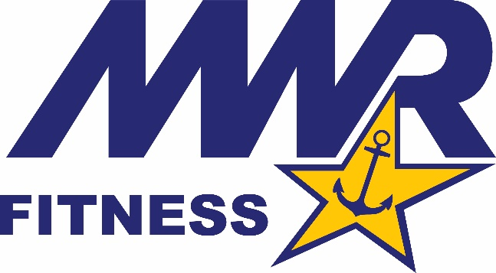
 |  | GROUP EXERCISE SCHEDULE
 |  | All classes are FREE to authorized patrons. For more information call 601.679.2379.

 | MONDAY |  |  | TUESDAY |  | WEDNESDAY |  | THURSDAY |  | FRIDAY

 |  |  |  |  | 515 | Ruck
 |  |  |  |  |  | Jenni

915 | HIIT |  | 915 | Lower Body Strength | 915 | HIIT | 915 | Upper Body Strength | 915 | FIIT Friday (NOFFS Endurance Series)
 | Jenni |  |  | Jenni |  | Jenni |  | Jenni |  | Jenni

1100 | Circuit Training |  |  |  |  |  | 1100 | Total Body |  | NOFFS & COMMAND PT SESSIONS AVAILABLE BY APPOINTMENT
 | Jenni |  |  |  |  |  |  | Jenni

 |  |  | 1200 | YOGA
 |  |  |  | Ryan

 | HIIT a workout that consist of short energy burst followed by quick recovery
 | Total Body Strenght: a workout that works lower and upper body and core
 | Lower/Upper Body Strength: workouts that are done using machines and free weights to increase muscle strength
 | Circuit Training: a workout that consist of multiple workout stations that are rotated through during the workout

